2-1 BuyDown - With Escrows
 | NQM FUNDING 2-1 BUYDOWN CALCULATOR W/ESCROWS

 | Loan amount
 | Purchase Price |  |  |  |  | Property Taxes
 | Interest Rate (Annual) |  |  |  |  | Homeowners Insurance
 | Loan period in years |  |  | 30
 | Number of payments per year |  |  | 12 |  | PMI | $0.00
 | Monthly Payment |  |  | $0.00
 | Total Payments |  |  | 360

 | 2-1 BUY DOWN
 |  | Interest Rate | Note Rate (6%) Payment | Buydown Payment | Monthly Savings | Payment w/ Escrows | # of Payments | Annual Monthly Savings
 | Year 1 | -2.00% | $0.00 | $0.00 | $0.00 | $0.00 | 12 | $0.00
 | Year 2 | -1.00% | $0.00 | $0.00 | $0.00 | $0.00 | 12 | $0.00
 | 2/1 Buydown Cost |  |  |  |  |  |  | $0.00
 | Concession Required |  |  |  |  |  |  | #DIV/0!
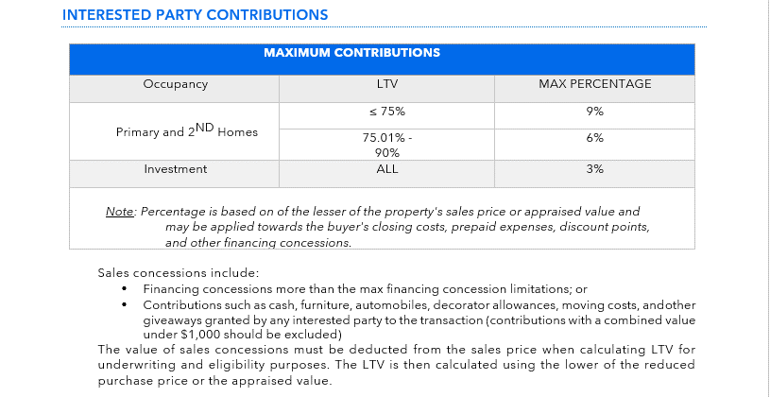 * Note that all buydowns are paid by seller or Builder concessions only

